Sheet4
The
Fast
Food
Analyse
Total Sale | Average Bill | Total Quantity
275230 | 275.23 | 8162

Day Wise Sale
 | Total
Mon | 44055
Tue | 45195
Wed | 25570
Thu | 28880
Fri | 45180
Sat | 41610
Sun | 44740
Top 7 Month
 | Total
Jan | 173265
Feb | 10835
Mar | 9315
Apr | 12000
May | 10815
Jul | 8730
Sep | 11965
City %
 | Total
AHD | 17.35%
BLR | 17.90%
BOM | 17.13%
DEL | 16.51%
HYD | 15.33%
MAA | 15.78%

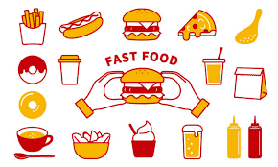

Item Wise Sale
 | Total
Aalopuri | 20880
Cold coffee | 54440
Frankie | 57500
Panipuri | 24520
Sandwich | 65820
Sugarcane juice | 31950
Vadapav | 20120
Food Type
 | Total
Beverages | 86390
Fastfood | 188840
Time Wise Sale
 | Total
Afternoon | 1714
Evening | 1540
Midnight | 1575
Morning | 1574
Night | 1759

